Sheet1
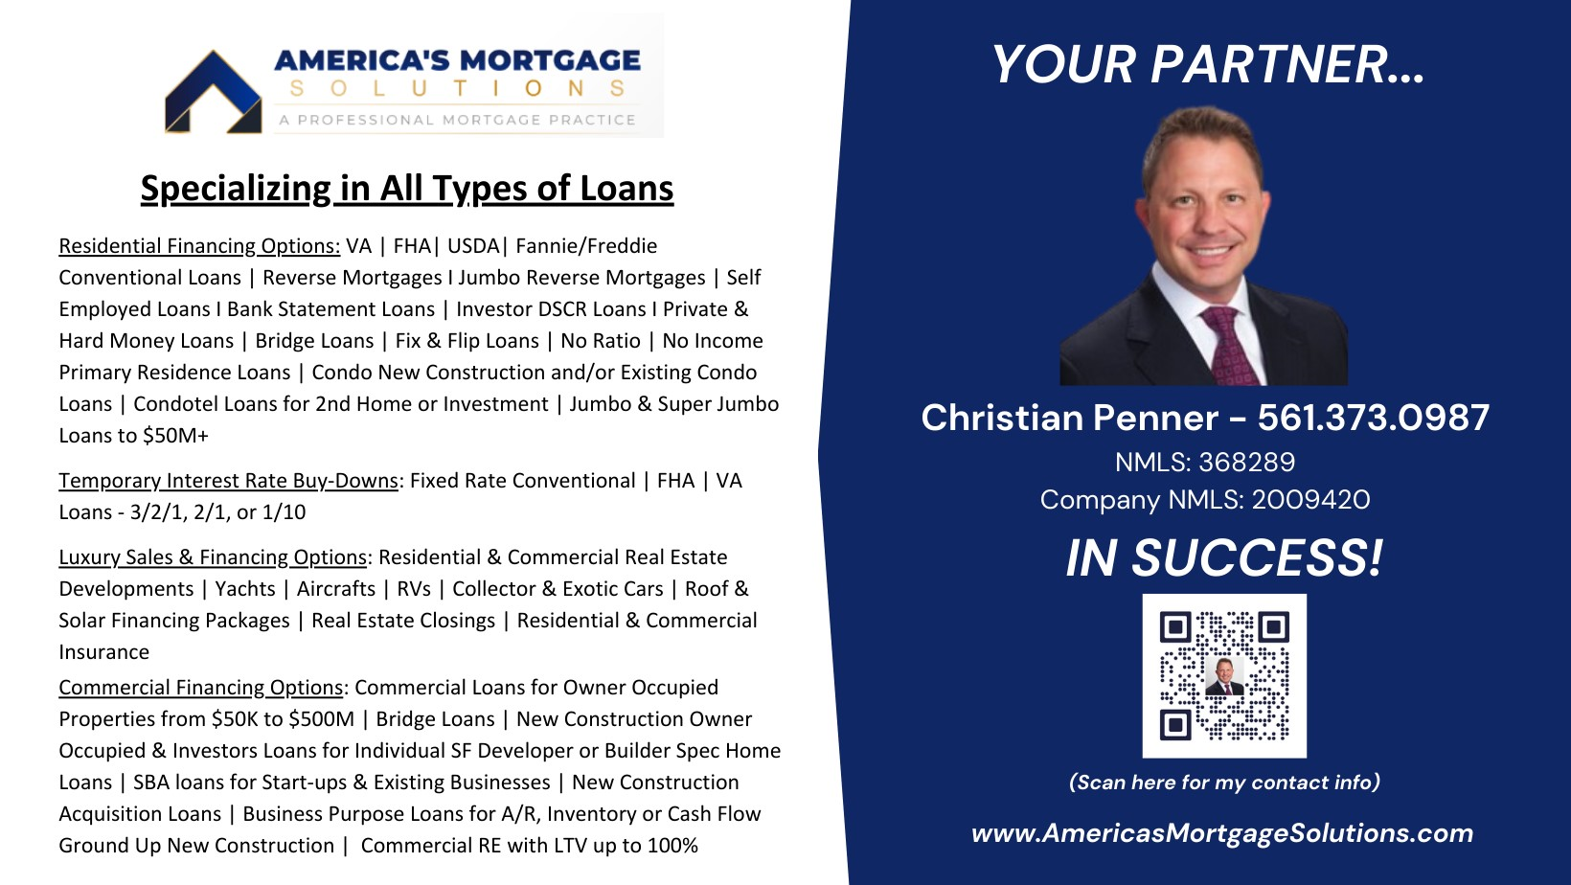
3-2-1 Buydown |  |  | 2-1 Buydown |  | 1-1 & 1-0 Buydown |  | PAR RATE
Loan Amount | $400,000 |  | Loan Amount | $400,000 | Loan Amount | $400,000 | Loan Amount | $400,000
Interest Rate | 3.50% |  | Interest Rate | 4.50% | Interest Rate | 5.50% | Interest Rate | 6.50%
Term | 360 |  | Term | 360 | Term | 360 | Term | 360
Compound Periods per Year | 12 |  | Compound Periods per Year | 12 | Compound Periods per Year | 12 | Compound Periods per Year | 12

P&I | $1,796 |  | P&I | $2,027 | P&I | $2,271 | P&I | $2,528

HOW TO USE:
1) YOU ONLY NEED TO ENTER DATA INTO THE PAR RATE BUYDOWN BOX (FAR RIGHT), THE REST IS AUTO CALCULATED
2) ENTER YELLOW AREA ONLY: LOAN AMOUNT, RATE, TERM, LEAVE 12 IN COMPOUND PERIODS PER YEAR.
3) ALL BUYDOWN INFO IS CALCULATED AND COST/SAVINGS IN GREEN AREA
**KEEP IN MIND DUE TO DECIMAL POINTS AND ROUNDING THE COST WILL COME IN SLIGHLTY LOWER BUT SHOULD GIVE YOU A QUICK IDEA FOR ALL 4 OPTIONS**
3-2-1 YR 1 | $8,785
3-2-1 YR 2 | $6,018
3-2-1 YR 3 | $3,085 | MONTHLY SAVING
BUYDOWN COST | $17,889 | $732

2-1 YR 1 | $6,018
2-1 YR 2 | $3,085
BUYDOWN COST | $9,104 | $502

1-1 YR 1 | $3,085
1-1 YR 2 | $3,085
BUYDOWN COST | $6,171 | $257

1-0 YR 1 | $3,085
BUYDOWN COST | $3,085 | $257

